Exercise
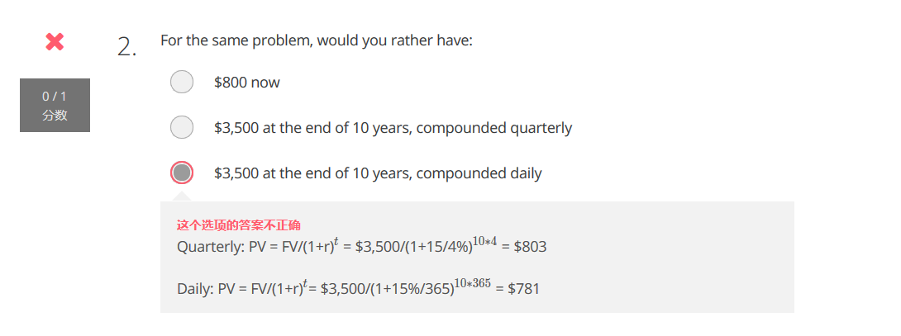
Exercise
Question:A bond with a face value of $10,000 that makes annual payments of $200 for 5 years at a discount rate of 3% is being offered for $9,000 today. Is this a profitable bond?
 | Annual |  | Value
Discount Rate | 3% |  | 9542.0292813

Month | Cash Flow | PV [CF]
1 | 200 | 194.17475728
2 | 200 | 188.51918183
3 | 200 | 183.02833187 | PV:Present Value
4 | 200 | 177.69740958 | FV:Future Value
5 | 10200 | 8798.6096007

错题：

